Alpha Returns (Stage 1)
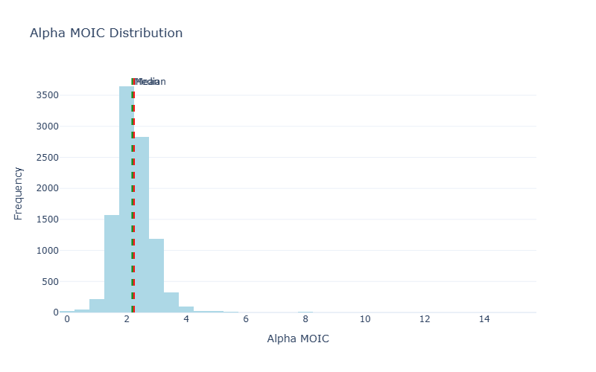
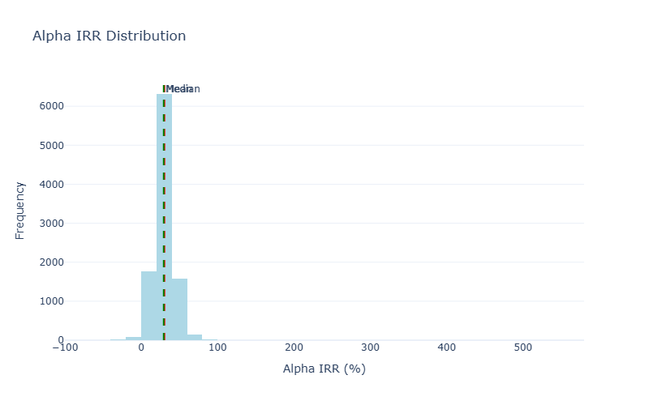
Stage 1: Alpha (Excess Returns)

MOIC Statistics |  | IRR Statistics
Metric | Value | Metric | Value
Mean | 2.25x | Mean | 30.35%
Median | 2.19x | Median | 29.40%
Std Dev | 0.66x | Std Dev | 17.86%
5th Percentile | 1.40x | 5th Percentile | 11.19%
95th Percentile | 3.25x | 95th Percentile | 51.66%

Distribution Charts

Gross Performance (Stage 3)
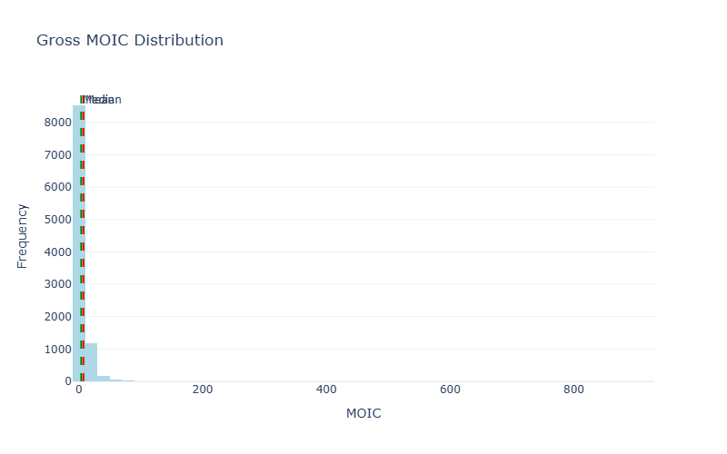
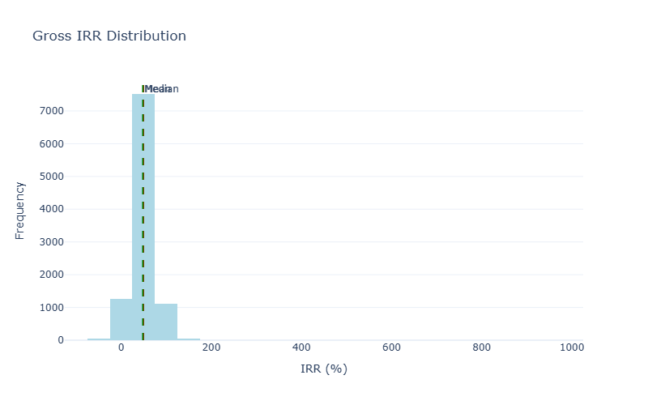
Stage 3: Gross Performance (Alpha × Beta)

Beta Attribution Analysis
Target Beta Return: | -0.50%
Actual Mean Beta Return: | -0.31%
Beta IRR Range (5th-95th): | -67.66% to 66.63%
Investments Analyzed: | 198,764

MOIC Statistics |  | IRR Statistics
Metric | Value | Metric | Value
Mean | 7.40x | Mean | 49.24%
Median | 3.78x | Median | 48.35%
Std Dev | 21.31x | Std Dev | 30.11%
5th Percentile | 1.39x | 5th Percentile | 12.41%
95th Percentile | 21.21x | 95th Percentile | 87.10%

Distribution Charts

Net Performance (Stage 4)
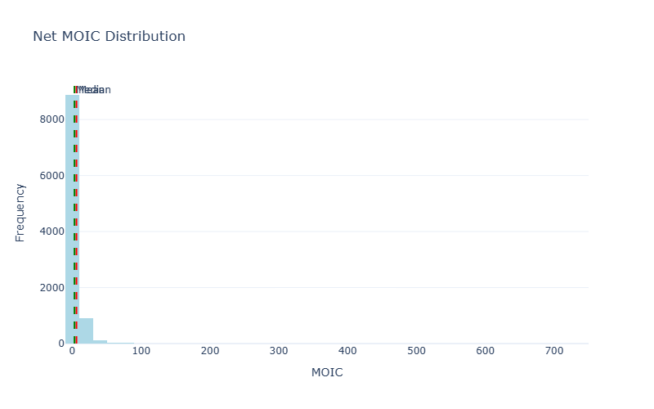
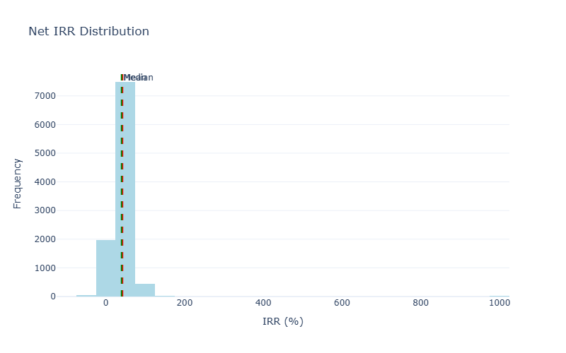
Stage 4: Net Performance (After Costs)

Cost Breakdown (Averages)
Avg Gross Profit: | $127,721,530
Avg Management Fees: | $3,347,996
Avg Carry: | $22,934,530
Avg Leverage Cost: | $0

MOIC Statistics |  | IRR Statistics
Metric | Value | Metric | Value
Mean | 6.08x | Mean | 42.44%
Median | 3.19x | Median | 39.96%
Std Dev | 17.05x | Std Dev | 46.86%
5th Percentile | 1.23x | 5th Percentile | 8.34%
95th Percentile | 17.13x | 95th Percentile | 74.80%

Distribution Charts

